lookUp
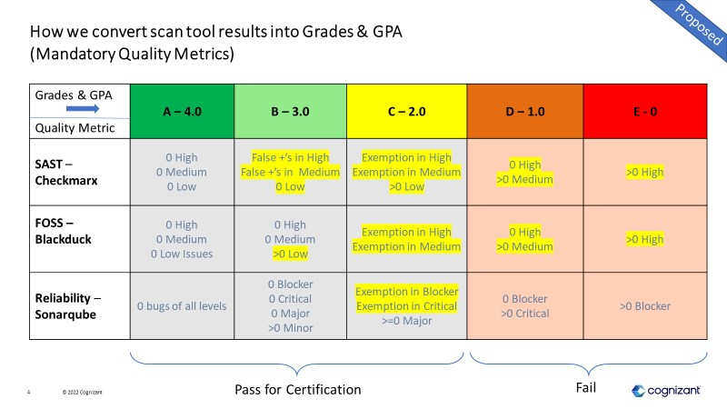
Asset Classification | document count | score | scores | value | Unit test coverage | score | Duplication % | score | Comment % | Score
Class A (Products) | 5 | A | A | 5 | 80% | A | 3% | A | 25% | A
Class B (Reusable Client Deliverables) | 4 | A | B | 4 | 60% | B | 5% | B | 30% | B
Class C (Internal Tools / Accelerators) | 3 | B | C | 3 | 35% | C | 10% | C | 35% | C
Class D (Software Components) | 2 | C | D | 2 | 0% | D | 20% | D | 50% | D
Class E (Cognizant Open Source Software) | 1 | D | E | 1 | No Test | E | 100% | E | 100% | E
 | 0 | E | NA | 0 | Error | Error | Error | Error | Error | Error
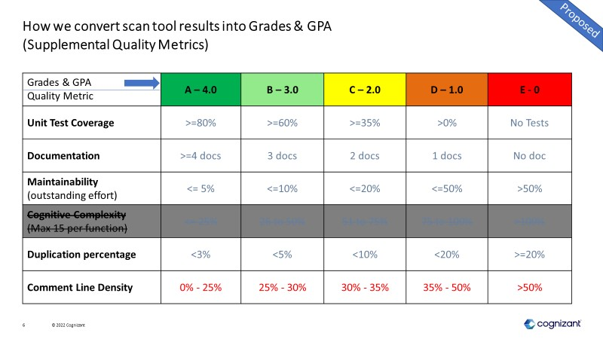
 | 6 | A |  |  | NA | NA

